Sheet1
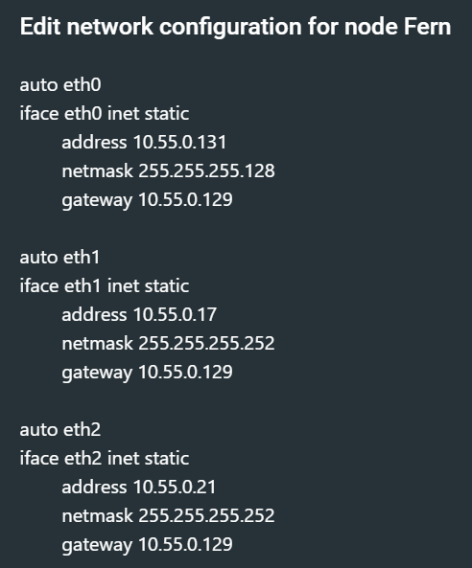
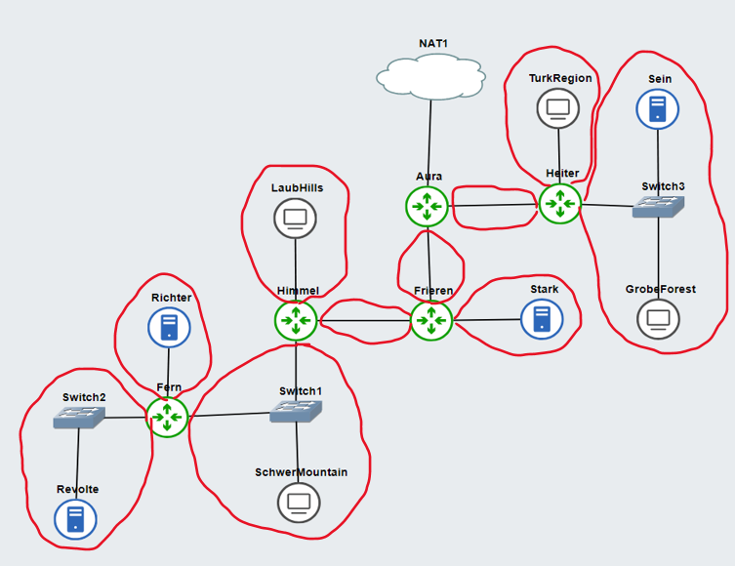
A1 = 1 + 1 + 512 = 514
A2 = 1 + 1022 = 1023
A3 = 1 + 1 = 2
A4 = 1 + 1 = 2
A5 = 1 + 1 = 2
A6 = 1 + 1 = 2
A7 = 1 + 255 = 256
A8 = 1 + 1 + 64 = 66
A9 = 1 + 1 = 2
A10 = 1 + 1 = 2
 |  |  |  |  |  |  |  |  |  |  |  |  |  | Sorted
 |  |  |  |  |  |  |  |  |  | Subnet | Jumlah IP/Host | Netmask |  | Subnet | Jumlah IP/Host | Netmask
 |  |  |  |  |  |  |  |  |  | A1 | 514 | /22 |  | A2 | 1023 | /21
 |  |  |  |  |  |  |  |  |  | A2 | 1023 | /21 |  | A1 | 514 | /22
 |  |  |  |  |  |  |  |  |  | A3 | 2 | /30 |  | A7 | 256 | /23
 |  |  |  |  |  |  |  |  |  | A4 | 2 | /30 |  | A8 | 66 | /25
 |  |  |  |  |  |  |  |  |  | A5 | 2 | /30 |  | A3 | 2 | /30
 |  |  |  |  |  |  |  |  |  | A6 | 2 | /30 |  | A4 | 2 | /30
 |  |  |  |  |  |  |  |  |  | A7 | 256 | /23 |  | A5 | 2 | /30
 |  |  |  |  |  |  |  |  |  | A8 | 66 | /25 |  | A6 | 2 | /30
 |  |  |  |  |  |  |  |  |  | A9 | 2 | /30 |  | A9 | 2 | /30
 |  |  |  |  |  |  |  |  |  | A10 | 2 | /30 |  | A10 | 2 | /30
 |  |  |  |  |  |  |  |  |  | Total | 1871

 |  |  |  |  |  |  |  |  |  |  | 1871 | < | 2048
 |  |  |  |  |  |  |  |  |  |  |  |  | 2^11 | 32 - 11 = 21
 |  |  |  |  |  |  |  |  |  |  |  |  |  | /21
 |  |  |  |  |  |  |  |  |  |  | dikarenakan 2048 host yang dibagi dua menjadi 1024
 |  |  |  |  |  |  |  |  |  |  | tidak cukup untuk subnet A2, maka digunakan 4096 host

 |  |  |  |  |  |  |  |  |  |  | dengan begitu menggunakan |  | 2^12 = > 32 - 12 = | /20

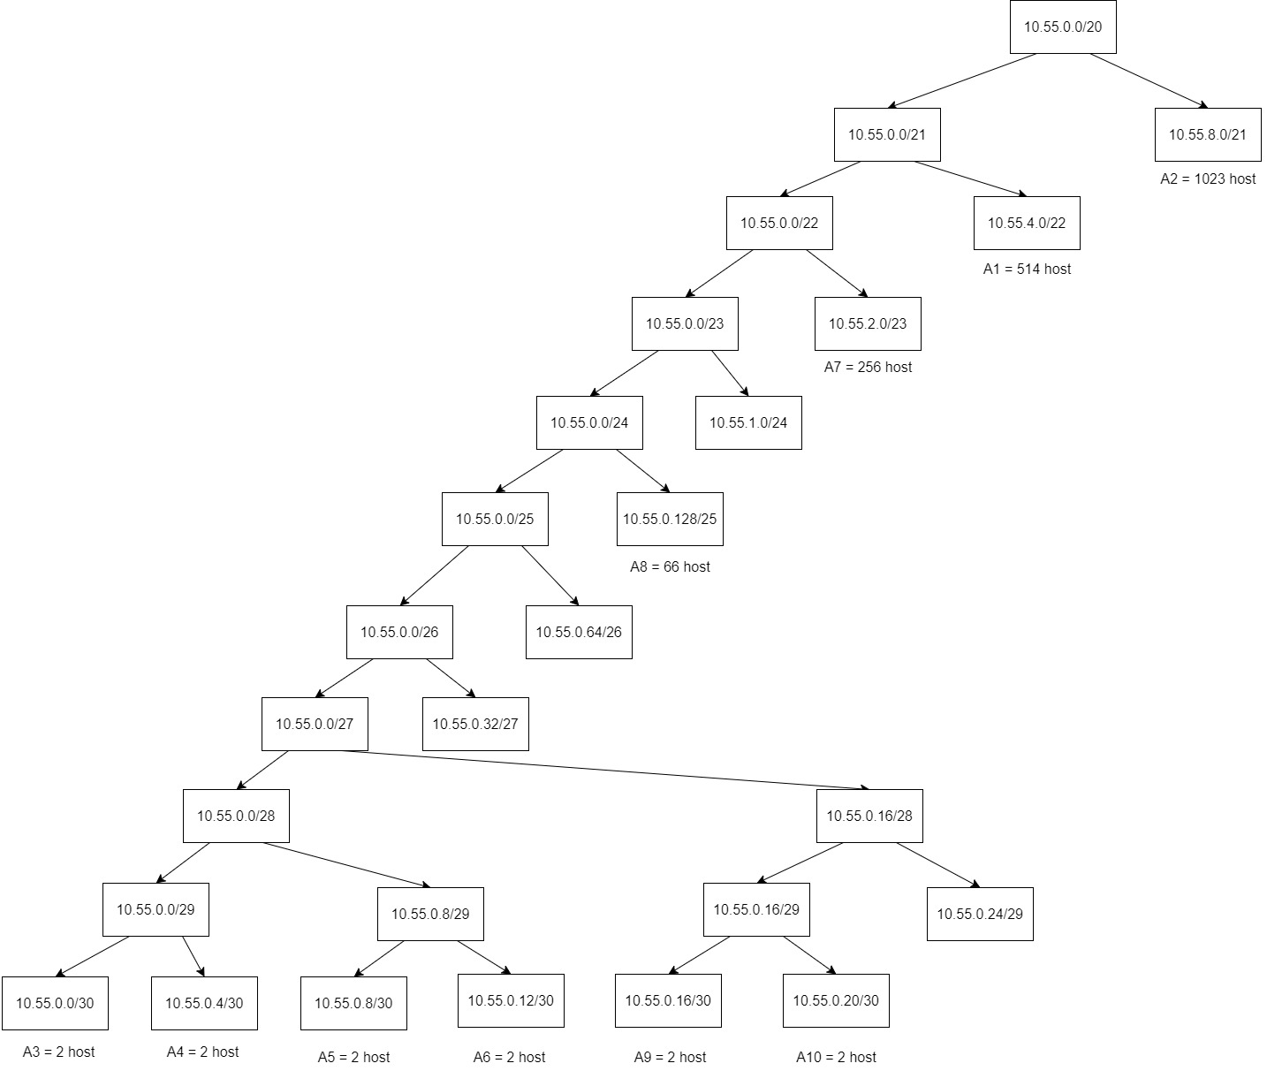
 | IP Utama | 10.55.0.0/20
 |  |  |  |  |  |  | Tree Pembagian VLSM
Proses Pembagian IP
 |  |  | Increment | O3
/20 ke /21 |  | /20 = 4096 | 2048 / 256 | 8
 |  | /21 = 2048
NID | Host Range (2048) | Broadcast ID
10.55.0.0 | 10.55.0.1 - 10.55.7.254 | 10.55.7.255
10.55.8.0 | 10.55.8.1 - 10.55.15.254 | 10.55.15.255 |  |  | A2

 |  |  | Increment | O3
/21 ke /22 |  | /21 = 2048 | 1024/256 | 4
 |  | /22 = 1024
NID | Host Range (1024) | Broadcast ID
10.55.0.0 | 10.55.0.1 - 10.55.3.254 | 10.55.3.255
10.55.4.0 | 10.55.4.1 - 10.55.7.254 | 10.55.7.255 |  |  | A1

 |  |  | Increment | O3
/22 ke /23 |  | /22 = 1024 | 512/256 | 2
 |  | /23 = 512
NID | Host Range (512) | Broadcast ID
10.55.0.0 | 10.55.0.1 - 10.55.2.254 | 10.55.1.255
10.55.2.0 | 10.55.2.1 - 10.55.3.254 | 10.55.3.255 |  |  | A7

 |  |  | Increment | O3
/23 ke /24 |  | /23 = 512 | 256 / 256 | 1
 |  | /24 = 256
NID | Host Range (256) | Broadcast ID
10.55.0.0 | 10.55.0.1 - 10.55.0.254 | 10.55.0.255
10.55.1.0 | 10.55.1.1 - 10.55.1.254 | 10.55.1.255

 |  |  | Increment | O4
/24 ke /25 |  | /24 = 256 |  | 128
 |  | /25 = 128
NID | Host Range (128) | Broadcast ID
10.55.0.0 | 10.55.0.1 - 10.55.0.126 | 10.55.0.127
10.55.0.128 | 10.55.0.129 - 10.55.0.254 | 10.55.0.255 |  |  | A8 |  | Subnetting
 |  |  |  |  |  |  |  |  | Nat | Aura-eth0
 |  |  | Increment | O4 |  |  | Netmask | Subnet (NID) | Iface pair src (def gateway) | Iface pair dst
/25 ke /26 |  | /25 = 128 |  | 64 |  |  | /22 | A1 | Heiter-eth2 | Sein-eth0
 |  | /26 = 64 |  |  |  |  | 255.255.252.0 | 10.55.4.0 | 10.55.4.1 | 10.55.4.2
NID | Host Range (64) | Broadcast ID |  |  |  |  |  |  | Heiter-eth2 | GrobeForest-eth0 | IP DHCP
10.55.0.0 | 10.55.0.1 - 10.55.0.62 | 10.55.0.63 |  |  |  |  |  |  | 10.55.4.1 | 10.55.4.3
10.55.0.64 | 10.55.0.65 - 10.55.0.126 | 10.55.0.127
 |  |  |  |  |  |  | /21 | A2 | Heiter-eth1 | TurkRegion-eth0 | IP DHCP
 |  |  | Increment | O4 |  |  | 255.255.248.0 | 10.55.8.0 | 10.55.8.1 | 10.55.8.2
/26 ke /27 |  | /26 = 64 |  | 32
 |  | /27 = 32 |  |  |  |  | /30 | A3 | Aura-eth1 | Heiter-eth0
NID | Host Range (32) | Broadcast ID |  |  |  |  | 255.255.255.252 | 10.55.0.0 | 10.55.0.1 | 10.55.0.2
10.55.0.0 | 10.55.0.1 - 10.55.0.30 | 10.55.0.31
10.55.0.32 | 10.55.0.33 - 10.55.0.62 | 10.55.0.63 |  |  |  |  | /30 | A4 | Aura-eth2 | Frieren-eth0
 |  |  |  |  |  |  | 255.255.255.252 | 10.55.0.4 | 10.55.0.5 | 10.55.0.6
 |  |  | Increment | O4
/27 ke /28 |  | /27 = 32 |  | 16 |  |  | /30 | A5 | Frieren-eth1 | Stark-eth0
 |  | /28 = 16 |  |  |  |  | 255.255.255.252 | 10.55.0.8 | 10.55.0.9 | 10.55.0.10
NID | Host Range (16) | Broadcast ID
10.55.0.0 | 10.55.0.1 - 10.55.0.14 | 10.55.0.15 |  |  |  |  | /30 | A6 | Frieren-eth2 | Himmel-eth0
10.55.0.16 | 10.55.0.17 - 10.55.0.30 | 10.55.0.31 |  |  |  |  | 255.255.255.252 | 10.55.0.12 | 10.55.0.13 | 10.55.0.14

 |  |  | Increment | O4 |  |  | /23 | A7 | Himmel-eth1 | LaubHills-eth0 | IP DHCP
/28 ke /29 |  | /28 = 16 |  | 8 |  |  | 255.255.254.0 | 10.55.2.0 | 10.55.2.1 | 10.55.2.2
 |  | /29 = 8
NID | Host Range (8) | Broadcast ID |  |  |  |  | /25 | A8 | Himmel-eth2 | SchwerMountain-eth0 | IP DHCP
10.55.0.0 | 10.55.0.1 - 10.55.0.6 | 10.55.0.7 |  |  |  |  | 255.255.255.128 | 10.55.0.128 | 10.55.0.129 | 10.55.0.130
10.55.0.8 | 10.55.0.9 - 10.55.0.14 | 10.55.0.15 |  |  |  |  |  |  | Himmel-eth2 | Fern-eth0
 |  |  |  |  |  |  |  |  | 10.55.0.129 | 10.55.0.131
 |  |  | Increment | O4
/29 ke /30 |  | /29 = 8 |  | 4 |  |  | /30 | A9 | Fern-eth1 | Richter-eth0
 |  | /30 = 4 |  |  |  |  | 255.255.255.252 | 10.55.0.16 | 10.55.0.17 | 10.55.0.18
NID | Host Range (4) | Broadcast ID
10.55.0.0 | 10.55.0.1 - 10.55.0.2 | 10.55.0.3 |  |  |  |  | /30 | A10 | Fern-eth2 | Revolte-eth0
10.55.0.4 | 10.55.0.5 - 10.55.0.6 | 10.55.0.7 |  |  | A3, A4, A5, A6, A9, A10 |  | 255.255.255.252 | 10.55.0.20 | 10.55.0.21 | 10.55.0.22

 | Topologi di GNS3
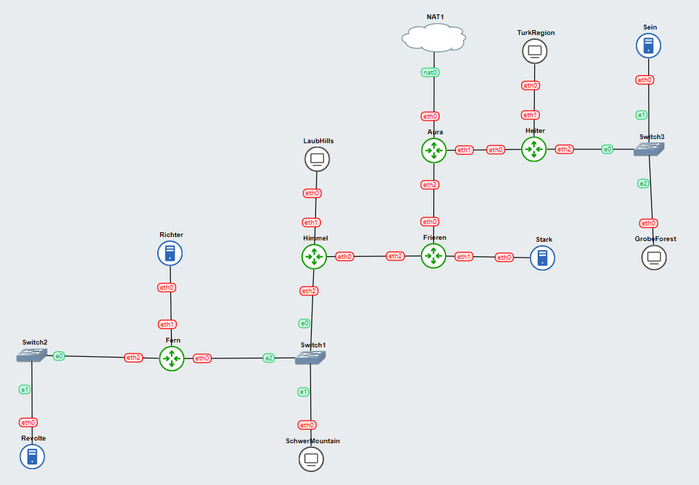
A1
A2
A3
A4
A5
A6
A7
A8
A9
A10
 |  |  |  |  |  |  |  |  | Node Configuration Tracking |  | Routing
 |  |  |  |  |  |  |  |  |  |  | Node | Subnets | NID | Netmask | Gateway
 |  |  |  |  |  |  |  |  | Aura (static : eth0, eth1, eth2) |  |  |  |  |  | IP | Iface
 |  |  |  |  |  |  |  |  | Heiter (static : eth0, eth1, eth2) |  | Aura | A5 | 10.55.0.8 | 255.255.255.252 | 10.55.0.6 | Frieren-eth0
 |  |  |  |  |  |  |  |  | TurkRegion (dhcp : eth0) |  |  | A6 | 10.55.0.12 | 255.255.255.252 | 10.55.0.6 | Frieren-eth0
 |  |  |  |  |  |  |  |  | Sein (static : eth0) |  |  | A7 | 10.55.2.0 | 255.255.254.0 | 10.55.0.6 | Frieren-eth0
 |  |  |  |  |  |  |  |  | GrobeForest (dhcp : eth0) |  |  | A8 | 10.55.0.128 | 255.255.255.128 | 10.55.0.6 | Frieren-eth0
 |  |  |  |  |  |  |  |  | Frieren (static : eth0, eth1, eth2) |  |  | A9 | 10.55.0.16 | 255.255.255.252 | 10.55.0.6 | Frieren-eth0
 |  |  |  |  |  |  |  |  | Stark (static : eth0) |  |  | A10 | 10.55.0.20 | 255.255.255.252 | 10.55.0.6 | Frieren-eth0
 |  |  |  |  |  |  |  |  | Himmel (static : eth0, eth1, eth2) |  |  | A2 | 10.55.8.0 | 255.255.248.0 | 10.55.0.2 | Heiter-eth0
 |  |  |  |  |  |  |  |  | LaubHills (dhcp : eth0) |  |  | A1 | 10.55.4.0 | 255.255.252.0 | 10.55.0.2 | Heiter-eth0
 |  |  |  |  |  |  |  |  | SchwerMountain (dhcp : eth0)
 |  |  |  |  |  |  |  |  | Fern (static : eth0, eth1, eth2) |  | Frieren | def | 0.0.0.0 | 0.0.0.0 | 10.55.0.5 | Aura-eth2
 |  |  |  |  |  |  |  |  | Richter (static : eth0) |  |  | A7 | 10.55.2.0 | 255.255.254.0 | 10.55.0.14 | Himmel-eth0
 |  |  |  |  |  |  |  |  | Revolte (static : eth0) |  |  | A8 | 10.55.0.128 | 255.255.255.128 | 10.55.0.14 | Himmel-eth0
 |  |  |  |  |  |  |  |  |  |  |  | A9 | 10.55.0.16 | 255.255.255.252 | 10.55.0.14 | Himmel-eth0
 |  |  |  |  |  |  |  |  |  |  |  | A10 | 10.55.0.20 | 255.255.255.252 | 10.55.0.14 | Himmel-eth0

 |  |  |  |  |  |  |  |  |  |  | Himmel | def | 0.0.0.0 | 0.0.0.0 | 10.55.0.13 | Frieren-eth2
 |  |  |  |  |  |  |  |  |  |  |  | A9 | 10.55.0.16 | 255.255.255.252 | 10.55.0.131 | Fern-eth0
 |  |  |  |  |  |  |  |  |  |  |  | A10 | 10.55.0.20 | 255.255.255.252 | 10.55.0.131 | Fern-eth0

 |  |  |  |  |  |  |  |  |  |  | Fern | def | 0.0.0.0 | 0.0.0.0 | 10.55.0.129 | Himmel-eth2

 |  |  |  |  |  |  |  |  |  |  | Heiter | def | 0.0.0.0 | 0.0.0.0 | 10.55.0.1 | Aura-eth1

 | Routers |  | Servers |  |  | Hosts
 | Aura |  | Sein |  |  | TurkRegion, GrobeForest, LaubHills, SchwerMountain
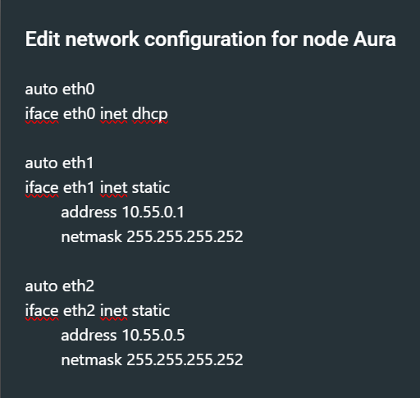
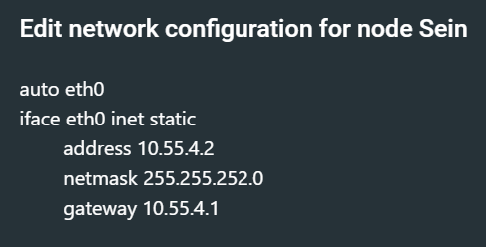

 |  |  | Stark
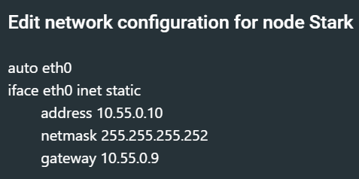

 | Heiter
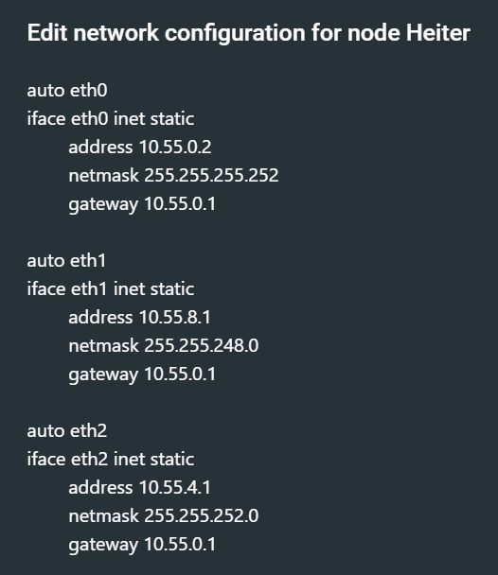
 |  |  | Richter
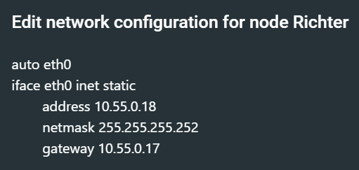

 |  |  | Revolte


 | Frieren
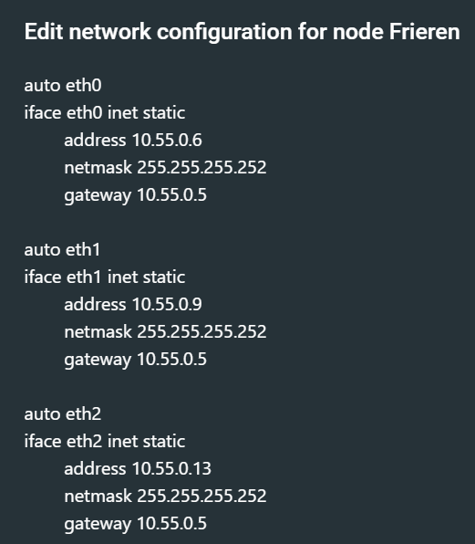

 | Himmel
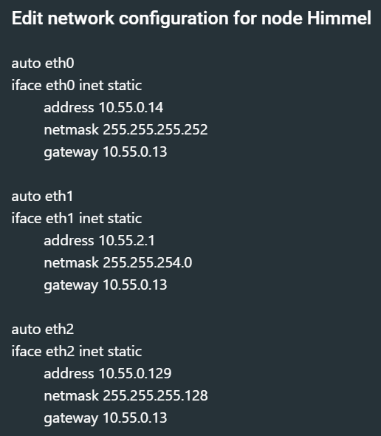

 | Fern

